destination analysis
Destination analysis
Destination | Count of Booking_ID
Bali | 32
Dubai | 41
Goa | 33
Kashmir | 35
Kerala | 23
Manali | 36
Grand Total | 200

monthly analysis
Monthly booking trend
 | Total
01 | 38
02 | 34
03 | 29
04 | 36
05 | 32
06 | 31
(blank)
Month | Count of Booking_ID
01 | 38
02 | 34
03 | 29
04 | 36
05 | 32
06 | 31
(blank)
Grand Total | 200

revenue by gender
Revenue by gender
 | Total
F | 3658744
M | 4074446
(blank)
Gender | Sum of Package_Cost
F | 3658744
M | 4074446
(blank)
Grand Total | 7733190

revenue by age_group
Revenue by age_group
 | Total
21-25 | 1699426
26-30 | 953635
31-35 | 1405968
36-40 | 1718534
41-45 | 1119488
46-50 | 836139
(blank)
Age_group | Sum of Package_Cost
21-25 | 1699426
26-30 | 953635
31-35 | 1405968
36-40 | 1718534
41-45 | 1119488
46-50 | 836139
(blank)
Grand Total | 7733190

revenue by month
Revenue by month
 | Total
01 | 1477289
02 | 1529782
03 | 1035194
04 | 1426755
05 | 1091475
06 | 1172695
(blank)
Month | Sum of Package_Cost
01 | 1477289
02 | 1529782
03 | 1035194
04 | 1426755
05 | 1091475
06 | 1172695
(blank)
Grand Total | 7733190

dashboard
 |  | HAW Data Analysis Dashboard

A | B | Total Bookings | Total Revenue | Confirmed | Cancelled | Cancellation Rate | Top Destination | Best revenue month | Cancellation rate
Total Bookings | 200 | 200 | ₹77,33,190 | 155 | 45 | 22.50% | Dubai | February | 22.5
Total Revenue | ₹77,33,190
Confirmed Bookings | 155
Cancelled Bookings | 45

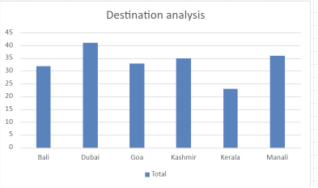
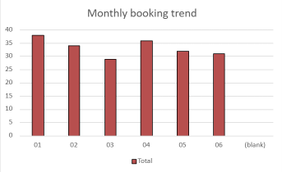

Revenue by age_group
 | Total
21-25 | 1699426
26-30 | 953635
31-35 | 1405968
36-40 | 1718534
41-45 | 1119488
46-50 | 836139
(blank)
Revenue by gender
 | Total
F | 3658744
M | 4074446
(blank)

Revenue by month
 | Total
01 | 1477289
02 | 1529782
03 | 1035194
04 | 1426755
05 | 1091475
06 | 1172695
(blank)

cancellation rate
Count of Booking_ID | Status |  |  | Destination | Cancelled | Total | Cancellation Rate
Destination | Cancelled | Confirmed | Grand Total | Bali | 5 | 32 | 15.63%
Bali | 5 | 27 | 32 | Dubai | 15 | 41 | 36.59%
Dubai | 15 | 26 | 41 | Goa | 4 | 33 | 12.12%
Goa | 4 | 29 | 33 | Kashmir | 5 | 35 | 14.29%
Kashmir | 5 | 30 | 35 | Kerala | 8 | 23 | 34.78%
Kerala | 8 | 15 | 23 | Manali | 8 | 36 | 22.22%
Manali | 8 | 28 | 36
Destination-wise Cancellation Rate Analysis
Grand Total | 45 | 155 | 200

revenue by dest
Revenue by Destination
 |  | Destination | Revenue | Revenue Contribution
Destination | Sum of Package_Cost | Dubai | 2493352 | 32%
Dubai | 2493352 | Bali | 2251676 | 29%
Bali | 2251676 | Kashmir | 1134593 | 15%
Kashmir | 1134593 | Manali | 736589 | 10%
Manali | 736589 | Goa | 600006 | 8%
Goa | 600006 | Kerala | 516974 | 7%
Kerala | 516974
Revenue Contribution by Destination
Grand Total | 7733190

